Hiearchy View
CLASS: PHOTOCELL
device in which the photoelectric or photovoltaic effect or photoconductivity is used to produce a current or voltage when exposed to light or other electromagnetic radiation |  | 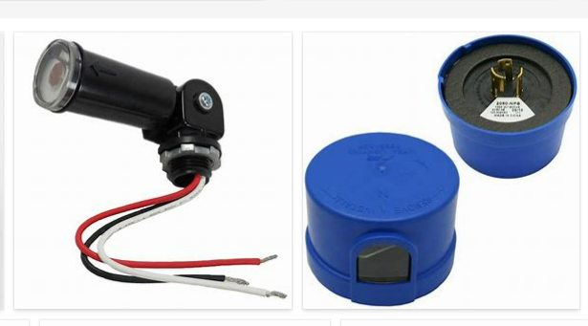
REMOVE | N

PROBLEM_DESC | CAUSE_DESC | REMEDY_DESC
ALARM/SENSOR
BROKEN/DAMAGED
LIGHTING
NOISE
OTHER PROBLEM
OVERHEATING
PESTS
POWER-ELEC
STOPPED/SLOWED/POOR OPS
TEMP-CTRL
VIBRATION
Grand Total

